new
PACKAGE PIC | PRODUCT PIC | EAN | SKU | Nombre | PRODUCT NAME | Datos Generales | SPU | Model No | PRODUCT NAME | Category | bullet point | SPECIFICATIONS | Language | Certification | Customer code | Customer name | Channel | Dropbox link | Have Battery or not | PO Type | Unit Weight(g) | Unit Package size | Per carton Weight(KG) | Standard Carton QTY | Per Carton Size
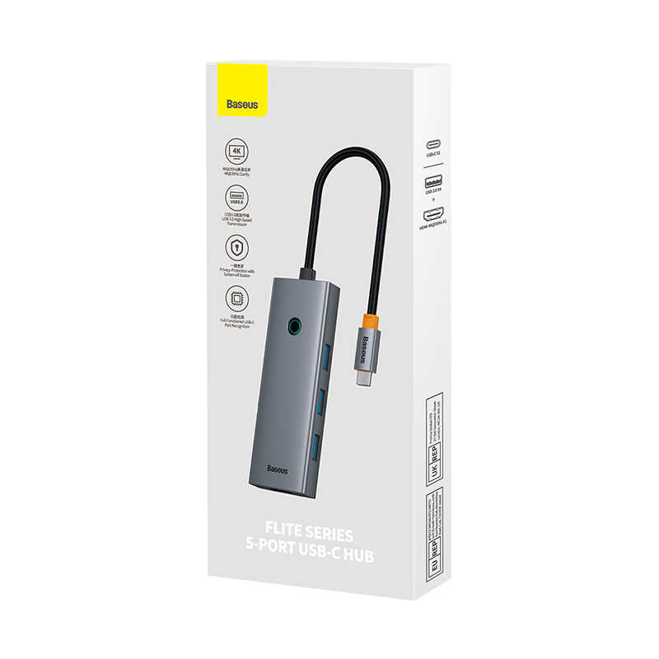 | 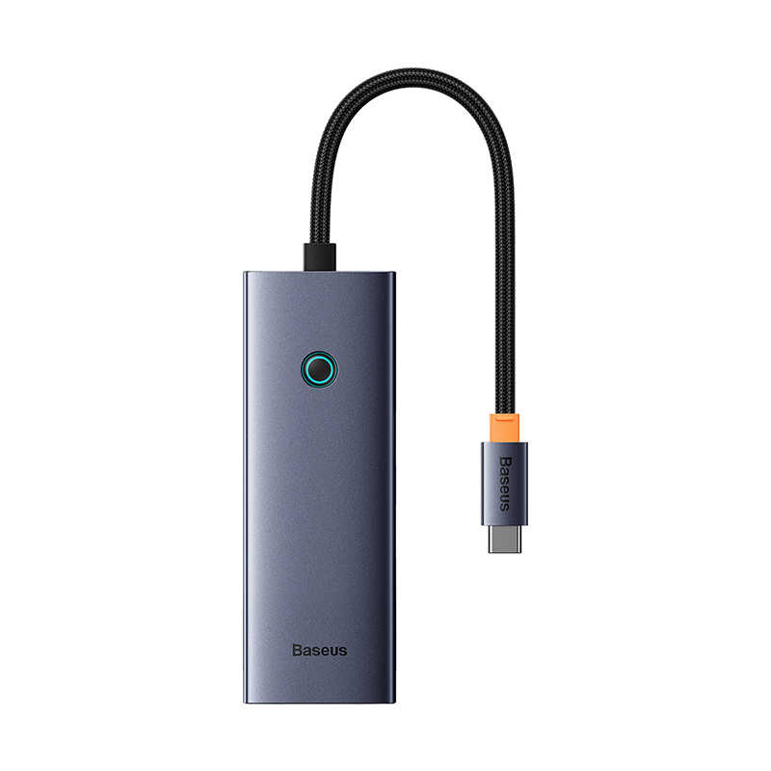 | 6932172631802 | BSS-BT-00012 | Adaptador HUB Baseus USB-C con 5 puertos | OS-Baseus UltraJoy Series 5-Port HUB Docking Station Space Grey（Type-C to HDMI4K@30Hz*1+USB 3.0*4） | SPU : UltraJoy Series 5-Port HUB（Overseas Edition）. Model No : BS-OH110. PRODUCT NAME : OS-Baseus UltraJoy Series 5-Port HUB Docking Station Space Grey（Type-C to HDMI4K@30Hz*1+USB 3.0*4）. Category : PC Accessories (for office). bullet point : . SPECIFICATIONS : Name: Baseus Flite Series 5-Port HUB Docking Station ModelNo.:BS-OH110 Input Port:Type-C Output Ports: USB 3.0: 5Gbps HDMI: 4K@30Hz Output:5V-0.9A Operating systems: Windows, Apple OS, Linux, Vista. Language : DE,RU,PT,JP,KR,EN,CN,IT,FR,UA,ES,TC,AR,PL,NL,TR. Certification : REACH,POPs,RoHS,TSCA,CP65,BSMI,CE-EMC,FCC SDoC,质检报告,KCC. Customer code : 3401167. Customer name : PE- Polaris & Co S.A.C.. Channel : . Dropbox link : https://www.dropbox.com/scl/fo/3uozf9rafohw9qd6ylnw0/h?dl=0&rlkey=ux4w2hvl4ko7xco8e0oxn1k49. Have Battery or not : . PO Type : In Production. Unit Weight(g) : 108. Unit Package size : 20.5*8.3*2. Per carton Weight(KG) : 9,15. Standard Carton QTY : 80. Per Carton Size : 41.5*34.7*22.5 | UltraJoy Series 5-Port HUB（Overseas Edition） | BS-OH110 | OS-Baseus UltraJoy Series 5-Port HUB Docking Station Space Grey（Type-C to HDMI4K@30Hz*1+USB 3.0*4） | PC Accessories (for office) |  | Name: Baseus Flite Series 5-Port HUB Docking Station ModelNo.:BS-OH110 Input Port:Type-C Output Ports: USB 3.0: 5Gbps HDMI: 4K@30Hz Output:5V-0.9A Operating systems: Windows, Apple OS, Linux, Vista | DE,RU,PT,JP,KR,EN,CN,IT,FR,UA,ES,TC,AR,PL,NL,TR | REACH,POPs,RoHS,TSCA,CP65,BSMI,CE-EMC,FCC SDoC,质检报告,KCC | 3401167 | PE- Polaris & Co S.A.C. |  | https://www.dropbox.com/scl/fo/3uozf9rafohw9qd6ylnw0/h?dl=0&rlkey=ux4w2hvl4ko7xco8e0oxn1k49 |  | In Production | 108 | 20.5*8.3*2 | 9.15 | 80 | 41.5*34.7*22.5
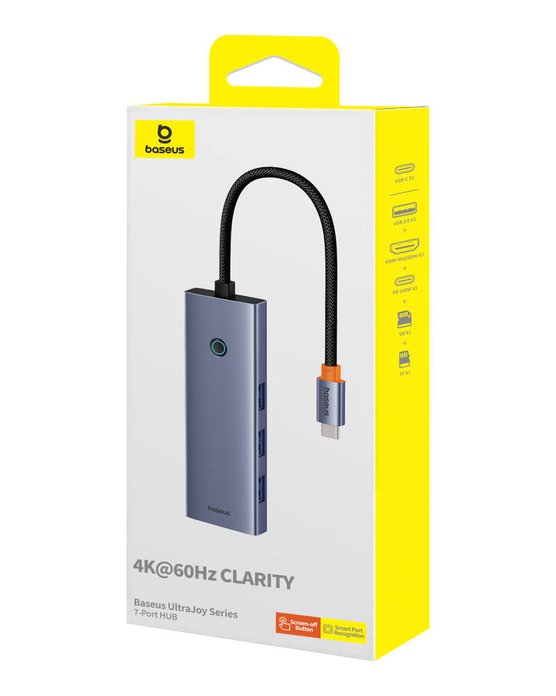 | 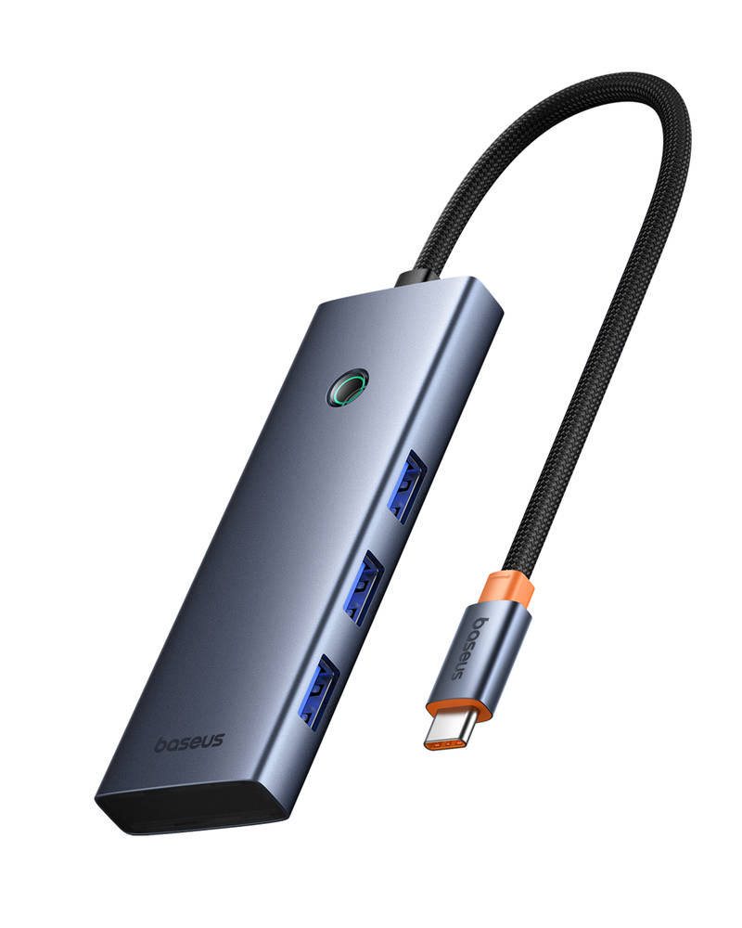 | 6932172630744 | BSS-BT-00013 | Adaptador HUB Baseus USB-C con 7 puertos | Baseus UltraJoy Series 7-Port HUB Docking Station Space Grey（Type-C to HDMI4K@60Hz*1+USB3.0*3+PD*1+SD/TF*1 ） | SPU : UltraJoy Series 7-Port HUB. Model No : BS-OH159. PRODUCT NAME : Baseus UltraJoy Series 7-Port HUB Docking Station Space Grey（Type-C to HDMI4K@60Hz*1+USB3.0*3+PD*1+SD/TF*1 ）. Category : PC Accessories (for office). bullet point : 1.4K@60Hz Clarity 2.Screen-off Button 3.Powerful Performance 4.Smart Port Recognition. SPECIFICATIONS : Name: Baseus UltraJoy Series 7-Port HUB Docking Station Model No.:BS-OH159 Input Port:Type-C Output Ports: USB3.0: 5Gbps(Max.) HDMI:4K@60Hz(Max.) PD:100W(Max.) SD/TF:60MB/s(Max.) Input:5V-3A:9V-3A:15V-3A:20V-5A Output:5V-0.9A Operating System: Windows,AppleOS,Linux,Vista. Language : DE,RU,PT,JP,KR,EN,IT,CN,UA,FR,ES,AR,PL. Certification : FCC SDoC,质检报告,RoHS,BSMI,CE-EMC,CP65,TSCA,REACH,POPs. Customer code : 3401167. Customer name : PE- Polaris & Co S.A.C.. Channel : . Dropbox link : https://www.dropbox.com/sh/eakgh2epugoqz28/AADIfrHHWTWMJiirSrASZMk_a?dl=0. Have Battery or not : without battery. PO Type : In Production. Unit Weight(g) : 106. Unit Package size : 20.5*8.3*2. Per carton Weight(KG) : 9,15. Standard Carton QTY : 80. Per Carton Size : 41.5*34.7*22.5 | UltraJoy Series 7-Port HUB | BS-OH159 | Baseus UltraJoy Series 7-Port HUB Docking Station Space Grey（Type-C to HDMI4K@60Hz*1+USB3.0*3+PD*1+SD/TF*1 ） | PC Accessories (for office) | 1.4K@60Hz Clarity 2.Screen-off Button 3.Powerful Performance 4.Smart Port Recognition | Name: Baseus UltraJoy Series 7-Port HUB Docking Station Model No.:BS-OH159 Input Port:Type-C Output Ports: USB3.0: 5Gbps(Max.) HDMI:4K@60Hz(Max.) PD:100W(Max.) SD/TF:60MB/s(Max.) Input:5V-3A:9V-3A:15V-3A:20V-5A Output:5V-0.9A Operating System: Windows,AppleOS,Linux,Vista | DE,RU,PT,JP,KR,EN,IT,CN,UA,FR,ES,AR,PL | FCC SDoC,质检报告,RoHS,BSMI,CE-EMC,CP65,TSCA,REACH,POPs | 3401167 | PE- Polaris & Co S.A.C. |  | https://www.dropbox.com/sh/eakgh2epugoqz28/AADIfrHHWTWMJiirSrASZMk_a?dl=0 | without battery | In Production | 106 | 20.5*8.3*2 | 9.15 | 80 | 41.5*34.7*22.5
 |  | 6932172662394 | BSS-BT-00016 | Cámara de seguridad Baseus interior 2K | Baseus Security P1 Lite Indoor Camera 2K White US | SPU : Security P1 Series Indoor 3MP OS. Model No : S0TV00. PRODUCT NAME : Baseus Security P1 Lite Indoor Camera 2K White US. Category : Security Camera. bullet point : 1. Full-Angle 300W Pixels, Day and Night Smart Surveillance. 2. Smart Integration. SPECIFICATIONS : 2K (3MP) FOV102° AI Function: Human detection Pan/Tilt: Horizontal 360°, Vertical 90° -10°C - 40°C Support: Micro SD/TF Card (up to 256GB). Language : CS,AR,RU,VI,SK,EN,PL,HU,ES. Certification : BQB,CCPA,CE-EMC,CE-LVD,CE-RED,CP65,FCC ID,FCC SDoC,NBTC,NTC,PCOC,POPs,PSTI,REACH,RoHS,SIRIM,TSCA,iMDA. Customer code : 3401167. Customer name : PE- Polaris & Co S.A.C.. Channel : . Dropbox link : https://www.dropbox.com/scl/fo/xzm27ggre255sk7mfnnt8/AH7JbuYyfrphE6YghRHY8t0?rlkey=b5acu7wepritv4iybc8hurppm&st=fyz8j1my&dl=0. Have Battery or not : without battery. PO Type : In Production. Unit Weight(g) : 370. Unit Package size : 14.1*9.8*11.6. Per carton Weight(KG) : 13,3. Standard Carton QTY : 30. Per Carton Size : 53.8*46.6*26.8 | Security P1 Series Indoor 3MP OS | S0TV00 | Baseus Security P1 Lite Indoor Camera 2K White US | Security Camera | 1. Full-Angle 300W Pixels, Day and Night Smart Surveillance. 2. Smart Integration | 2K (3MP) FOV102° AI Function: Human detection Pan/Tilt: Horizontal 360°, Vertical 90° -10°C - 40°C Support: Micro SD/TF Card (up to 256GB) | CS,AR,RU,VI,SK,EN,PL,HU,ES | BQB,CCPA,CE-EMC,CE-LVD,CE-RED,CP65,FCC ID,FCC SDoC,NBTC,NTC,PCOC,POPs,PSTI,REACH,RoHS,SIRIM,TSCA,iMDA | 3401167 | PE- Polaris & Co S.A.C. |  | https://www.dropbox.com/scl/fo/xzm27ggre255sk7mfnnt8/AH7JbuYyfrphE6YghRHY8t0?rlkey=b5acu7wepritv4iybc8hurppm&st=fyz8j1my&dl=0 | without battery | In Production | 370 | 14.1*9.8*11.6 | 13.3 | 30 | 53.8*46.6*26.8
 | 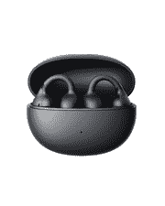 |  | BSS-BT-00009 | Audífonos inalámbricos Baseus abiertos tipo clip | OS-Baseus Bass BC1 Open-Ear True Wireless Earbuds (Clip-on Type) Cluster Black | SPU : Bass BC1 Open-Ear TWS Earbuds (Clip-on Type). Model No : PM153. PRODUCT NAME : OS-Baseus Bass BC1 Open-Ear True Wireless Earbuds (Clip-on Type) Cluster Black. Category : Open Wearable Stereo (OWS). bullet point : 1. Ergonomic Stable Fit 2. 12mm Super-Bass Driver 3. 38 Hour Battery Life 4. 4-Mic Al Clear Calls. SPECIFICATIONS : Name:Baseus Open-Ear TWS Earbuds Model:PM153 Bluetooth Version:v.6.0 Communication Range:10 meters within an open environment Battery Capacity:40mAh0.148Wh (earbuds), 500mAh01.85Wh (charging case) Input:5V1A Output:3.8-5V240mA(120mA per port) Frequency Response Range:20 Hz-20k Hz. Frequency Band:2400 MHz-2483.5 MHz Charging Port:USB-C Compatibility:Bluetooth-enabled playback devices *The above data is provided by the Baseus lab;actual use. Language : DE,RU,PT,JP,KR,EN,IT,CN,UA,FR,ES,AR,PL,TR. Certification : CB 62368,CEC,CE-RED,CP65,FCC ID,FCC SDoC,IEC 62680,IECEE,IP报告,KCC,POPs,REACH,RoHS,SDPPI,SRRC,TELEC,TSCA,声压报告,质检报告,中国RoHS,SIRIM,iMDA,BQB,NBTC,空运鉴定书,海运鉴定书,DOE,PFAS. Customer code : 3401167. Customer name : PE- Polaris & Co S.A.C.. Channel : . Dropbox link : https://www.dropbox.com/scl/fo/zpj77etlzdd0v4pgk0ul1/AFCT191A6DzkJnweCuWFeH4?rlkey=7i6g9p7o6zeshx52tm5iz5q5p&st=8g5if0vs&dl=0. Have Battery or not : . PO Type : In Production. Unit Weight(g) : 111. Unit Package size : 13.1*5.6*4.8. Per carton Weight(KG) : 12,7. Standard Carton QTY : 100. Per Carton Size : 44.5*42.2*30 | Bass BC1 Open-Ear TWS Earbuds (Clip-on Type) | PM153 | OS-Baseus Bass BC1 Open-Ear True Wireless Earbuds (Clip-on Type) Cluster Black | Open Wearable Stereo (OWS) | 1. Ergonomic Stable Fit 2. 12mm Super-Bass Driver 3. 38 Hour Battery Life 4. 4-Mic Al Clear Calls | Name:Baseus Open-Ear TWS Earbuds Model:PM153 Bluetooth Version:v.6.0 Communication Range:10 meters within an open environment Battery Capacity:40mAh0.148Wh (earbuds), 500mAh01.85Wh (charging case) Input:5V1A Output:3.8-5V240mA(120mA per port) Frequency Response Range:20 Hz-20k Hz. Frequency Band:2400 MHz-2483.5 MHz Charging Port:USB-C Compatibility:Bluetooth-enabled playback devices *The above data is provided by the Baseus lab;actual use | DE,RU,PT,JP,KR,EN,IT,CN,UA,FR,ES,AR,PL,TR | CB 62368,CEC,CE-RED,CP65,FCC ID,FCC SDoC,IEC 62680,IECEE,IP报告,KCC,POPs,REACH,RoHS,SDPPI,SRRC,TELEC,TSCA,声压报告,质检报告,中国RoHS,SIRIM,iMDA,BQB,NBTC,空运鉴定书,海运鉴定书,DOE,PFAS | 3401167 | PE- Polaris & Co S.A.C. |  | https://www.dropbox.com/scl/fo/zpj77etlzdd0v4pgk0ul1/AFCT191A6DzkJnweCuWFeH4?rlkey=7i6g9p7o6zeshx52tm5iz5q5p&st=8g5if0vs&dl=0 |  | In Production | 111 | 13.1*5.6*4.8 | 12.7 | 100 | 44.5*42.2*30
 | 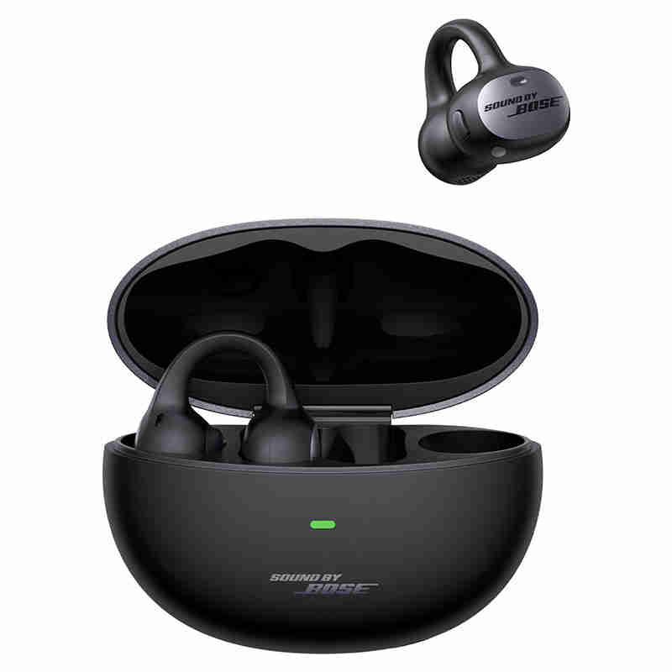 |  | BSS-BT-00014 | Audífonos inalámbricos Baseus Inspire XC1 abiertos | OS-Baseus Inspire XC1 Open-Ear True Wireless Earbuds Cosmic Black | SPU : Inspire XC1 Open-Ear True Wireless Earbuds. Model No : A01028. PRODUCT NAME : OS-Baseus Inspire XC1 Open-Ear True Wireless Earbuds Cosmic Black. Category : Open Wearable Stereo (OWS). bullet point : ① Baseus adaptive tuning tech for balanced, true-to-life sound ② 10-minute rapid charge = 2.5-hour playtime ③ IP66-rated for sweat, splash, and water resistance ④Multiple EQ modes, tuned via the Baseus App. SPECIFICATIONS : Name: Baseus Open-Ear True Wireless Earbuds Model: A01028 Rated Input: 5 V⎓ 1 A (charging case) Full Charge Time: ≈ 1.5 hours Frequency Response Range: 20 Hz – 40 kHz Charging Port: USB-C Bluetooth Maximum Output Power: 8.46 dBm Frequency Band: 2402 MHz – 2480 MHz. Language : DE,RU,PT,JP,KR,EN,IT,FR,UA,HU,ES,TC,AR,SE,VI,CZ,ID,PL,RO,NL,TR. Certification : CE-RED,BQB,CB 62368,CEC,DOE,CP65,Hi-Res,IEC 62680,IECEE,IP报告,LDAC,PFAS,POPs,QQ音乐证书,RCM,REACH,RoHS,SRRC,TELEC,TSCA,UL4200A,声压报告,质检报告,中国RoHS,空运鉴定书,海运鉴定书,陆运鉴定书,FCC ID,KCC,FCC SDoC,NBTC,SIRIM. Customer code : 3401167. Customer name : PE- Polaris & Co S.A.C.. Channel : . Dropbox link : https://www.dropbox.com/scl/fo/716rex9ixcist4pb04z3w/AN8yKNSqaLEgjHiLFooV5yc?rlkey=qnxrcs6oepq7wfrbowuz2ylpg&st=yl8ckbtf&dl=0. Have Battery or not : . PO Type : In Production. Unit Weight(g) : 215. Unit Package size : 16*11*4.15. Per carton Weight(KG) : 12,35. Standard Carton QTY : 50. Per Carton Size : 56.7*43.3*19.4 | Inspire XC1 Open-Ear True Wireless Earbuds | A01028 | OS-Baseus Inspire XC1 Open-Ear True Wireless Earbuds Cosmic Black | Open Wearable Stereo (OWS) | ① Baseus adaptive tuning tech for balanced, true-to-life sound ② 10-minute rapid charge = 2.5-hour playtime ③ IP66-rated for sweat, splash, and water resistance ④Multiple EQ modes, tuned via the Baseus App | Name: Baseus Open-Ear True Wireless Earbuds Model: A01028 Rated Input: 5 V⎓ 1 A (charging case) Full Charge Time: ≈ 1.5 hours Frequency Response Range: 20 Hz – 40 kHz Charging Port: USB-C Bluetooth Maximum Output Power: 8.46 dBm Frequency Band: 2402 MHz – 2480 MHz | DE,RU,PT,JP,KR,EN,IT,FR,UA,HU,ES,TC,AR,SE,VI,CZ,ID,PL,RO,NL,TR | CE-RED,BQB,CB 62368,CEC,DOE,CP65,Hi-Res,IEC 62680,IECEE,IP报告,LDAC,PFAS,POPs,QQ音乐证书,RCM,REACH,RoHS,SRRC,TELEC,TSCA,UL4200A,声压报告,质检报告,中国RoHS,空运鉴定书,海运鉴定书,陆运鉴定书,FCC ID,KCC,FCC SDoC,NBTC,SIRIM | 3401167 | PE- Polaris & Co S.A.C. |  | https://www.dropbox.com/scl/fo/716rex9ixcist4pb04z3w/AN8yKNSqaLEgjHiLFooV5yc?rlkey=qnxrcs6oepq7wfrbowuz2ylpg&st=yl8ckbtf&dl=0 |  | In Production | 215 | 16*11*4.15 | 12.35 | 50 | 56.7*43.3*19.4
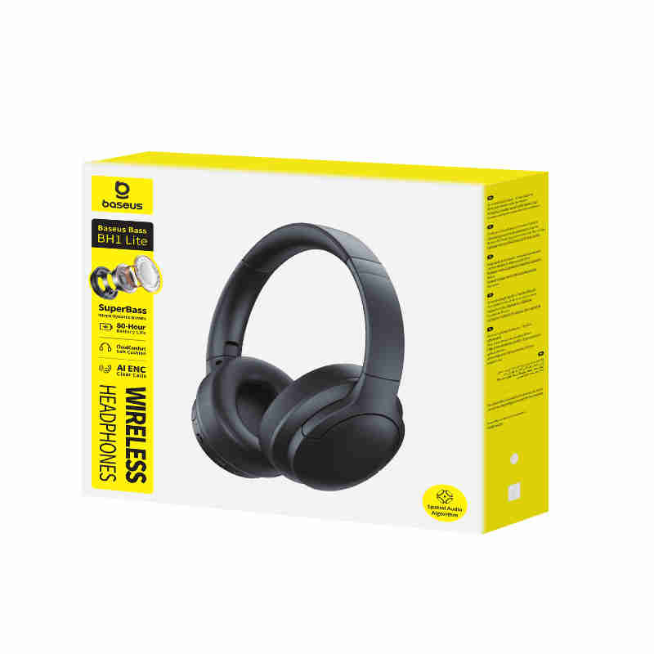 |  |  | BSS-BT-00010 | Audífonos inalámbricos Baseus BH1 Lite | OS-Baseus Bass BH1 Lite Wireless Headphones Cosmic Black | SPU : Bass BH1 Lite Wireless Headphones. Model No : A0203C. PRODUCT NAME : OS-Baseus Bass BH1 Lite Wireless Headphones Cosmic Black. Category : Over-ear Bluetooth Headphone. bullet point : ①SuperBass 40mm Dynamic Drivers ②75-HourBattery Life ③ CloudComfort Soft Cushion ④ AI ENC Clear Calls. SPECIFICATIONS : Name: Baseus Wireless Noise Cancelling Headphones Model: A0203C Material: ABS + Metal + PC Bluetooth Version: V6.0 Audio Coding: SBC, AAC Communication Range: 10 meters Listening Time: 80 hours (with volume at 50%) Battery Capacity: 600 mAh / 2.22 Wh (headphones) Input: 5 V⎓ 1 A Full Charge Time: ≈ 1.5 hours Frequency Response Range: 20 Hz – 20 kHz Charging Port: USB-C Bluetooth Maximum Output Power: XXX dBm Frequency Band: 2402 MHz – 2480 MHz Operating Temperature: XX ℃ to XX ℃ Compatibility: Bluetooth-enabled playback devices. Language : DE,RU,PT,JP,KR,EN,IT,FR,UA,HU,ES,TC,AR,SE,VI,CZ,ID,PL,RO,NL,TR. Certification : PFAS,RoHS,POPs,REACH,中国RoHS,BQB,CE-RED,IEC 62680,SDPPI,质检报告,海运鉴定书,空运鉴定书,陆运鉴定书,NBTC,iMDA,SIRIM,SRRC,IECEE,CB 62368,NTC,ANATEL,CP65,TSCA,CEC,DOE,FCC SDoC,FCC ID. Customer code : 3401167. Customer name : PE- Polaris & Co S.A.C.. Channel : . Dropbox link : https://www.dropbox.com/scl/fo/ztn9j5dsrbsxrsjibifif/ANBUt6OtU9lPC06b1Glwo4M?rlkey=u9akf3ldo07jzmz8g5t18udmz&st=s9f5pzb0&dl=0. Have Battery or not : . PO Type : In Production. Unit Weight(g) : 438. Unit Package size : 22.6*22.7*6.2. Per carton Weight(KG) : 13,97. Standard Carton QTY : 28. Per Carton Size : 47*45.2*48.5 | Bass BH1 Lite Wireless Headphones | A0203C | OS-Baseus Bass BH1 Lite Wireless Headphones Cosmic Black | Over-ear Bluetooth Headphone | ①SuperBass 40mm Dynamic Drivers ②75-HourBattery Life ③ CloudComfort Soft Cushion ④ AI ENC Clear Calls | Name: Baseus Wireless Noise Cancelling Headphones Model: A0203C Material: ABS + Metal + PC Bluetooth Version: V6.0 Audio Coding: SBC, AAC Communication Range: 10 meters Listening Time: 80 hours (with volume at 50%) Battery Capacity: 600 mAh / 2.22 Wh (headphones) Input: 5 V⎓ 1 A Full Charge Time: ≈ 1.5 hours Frequency Response Range: 20 Hz – 20 kHz Charging Port: USB-C Bluetooth Maximum Output Power: XXX dBm Frequency Band: 2402 MHz – 2480 MHz Operating Temperature: XX ℃ to XX ℃ Compatibility: Bluetooth-enabled playback devices | DE,RU,PT,JP,KR,EN,IT,FR,UA,HU,ES,TC,AR,SE,VI,CZ,ID,PL,RO,NL,TR | PFAS,RoHS,POPs,REACH,中国RoHS,BQB,CE-RED,IEC 62680,SDPPI,质检报告,海运鉴定书,空运鉴定书,陆运鉴定书,NBTC,iMDA,SIRIM,SRRC,IECEE,CB 62368,NTC,ANATEL,CP65,TSCA,CEC,DOE,FCC SDoC,FCC ID | 3401167 | PE- Polaris & Co S.A.C. |  | https://www.dropbox.com/scl/fo/ztn9j5dsrbsxrsjibifif/ANBUt6OtU9lPC06b1Glwo4M?rlkey=u9akf3ldo07jzmz8g5t18udmz&st=s9f5pzb0&dl=0 |  | In Production | 438 | 22.6*22.7*6.2 | 13.97 | 28 | 47*45.2*48.5
 |  |  | BSS-BT-00015 | Audífonos inalámbricos Baseus Inspire XH1 con cancelación de ruido | OS-Baseus Inspire XH1 Wireless Noise Cancelling Headphones Cosmic Black | SPU : Inspire XH1 Wireless Noise Cancelling Headphones OS. Model No : A02036. PRODUCT NAME : OS-Baseus Inspire XH1 Wireless Noise Cancelling Headphones Cosmic Black. Category : Over-ear Bluetooth Headphone. bullet point : ① Hi-Res + Hi-Res Wireless金标 ② LDAC. SPECIFICATIONS : Name: Baseus Wireless Noise Cancelling Headphones Model: A02036 Input: 5 V⎓ 1.1 A Full Charge Time: ≈ 1.5 hours Frequency Response Range: 20 Hz – 40 kHz Charging Port: USB-C Bluetooth Maximum Output Power: 14.05 dBm Frequency Band: 2402 MHz - 2480 MHz. Language : DE,RU,PT,JP,KR,EN,IT,FR,UA,HU,ES,TC,AR,SE,VI,CZ,ID,PL,RO,NL,TR. Certification : SRRC,CE-RED,FCC SDoC,FCC ID,CEC,DOE,BQB,Hi-Res,IEC 62680,KCC,LDAC,RCM,TELEC,声压报告,质检报告,CP65,PFAS,POPs,REACH,RoHS,中国RoHS,TSCA,空运鉴定书,海运鉴定书,陆运鉴定书,IECEE,NBTC,SIRIM. Customer code : 3401167. Customer name : PE- Polaris & Co S.A.C.. Channel : . Dropbox link : https://www.dropbox.com/scl/fo/54eqidlxbu051wpq2sqs9/AM77LhO5ABqnFQKHQnst1L4?rlkey=5f6i1y5m6zfeck2m2brn8ttyh&st=k0w8nbm6&dl=0. Have Battery or not : . PO Type : In Production. Unit Weight(g) : 853. Unit Package size : 23.5*20.5*8.45. Per carton Weight(KG) : 11,8. Standard Carton QTY : 12. Per Carton Size : 52.4*42.3*26.8 | Inspire XH1 Wireless Noise Cancelling Headphones OS | A02036 | OS-Baseus Inspire XH1 Wireless Noise Cancelling Headphones Cosmic Black | Over-ear Bluetooth Headphone | ① Hi-Res + Hi-Res Wireless金标 ② LDAC | Name: Baseus Wireless Noise Cancelling Headphones Model: A02036 Input: 5 V⎓ 1.1 A Full Charge Time: ≈ 1.5 hours Frequency Response Range: 20 Hz – 40 kHz Charging Port: USB-C Bluetooth Maximum Output Power: 14.05 dBm Frequency Band: 2402 MHz - 2480 MHz | DE,RU,PT,JP,KR,EN,IT,FR,UA,HU,ES,TC,AR,SE,VI,CZ,ID,PL,RO,NL,TR | SRRC,CE-RED,FCC SDoC,FCC ID,CEC,DOE,BQB,Hi-Res,IEC 62680,KCC,LDAC,RCM,TELEC,声压报告,质检报告,CP65,PFAS,POPs,REACH,RoHS,中国RoHS,TSCA,空运鉴定书,海运鉴定书,陆运鉴定书,IECEE,NBTC,SIRIM | 3401167 | PE- Polaris & Co S.A.C. |  | https://www.dropbox.com/scl/fo/54eqidlxbu051wpq2sqs9/AM77LhO5ABqnFQKHQnst1L4?rlkey=5f6i1y5m6zfeck2m2brn8ttyh&st=k0w8nbm6&dl=0 |  | In Production | 853 | 23.5*20.5*8.45 | 11.8 | 12 | 52.4*42.3*26.8
 | 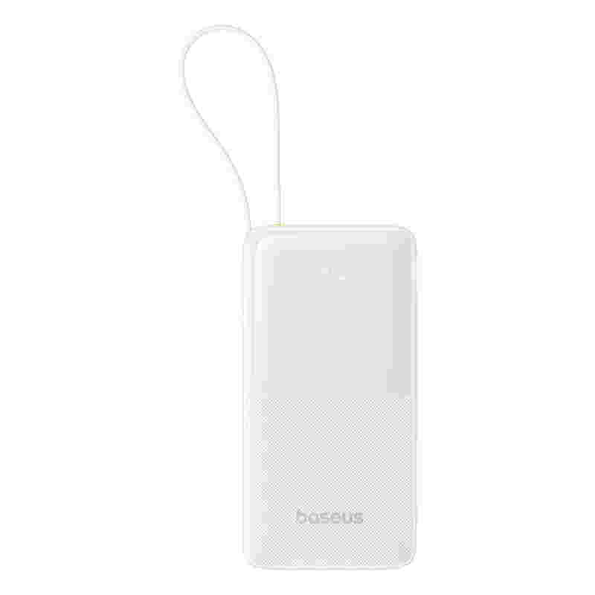 | 6932172670894 | BSS-BT-00001 | Batería portátil Baseus Bipow 20,000 mAh con pantalla y cable USB-C | OS-Baseus Bipow 2 Digital Display Power Bank With Built-in USB-C Cable 20000mah 20W Moon White | SPU : Baseus Bipow 2 Power Bank 20W 20000mAh OS. Model No : PPBD2-2W20. PRODUCT NAME : OS-Baseus Bipow 2 Digital Display Power Bank With Built-in USB-C Cable 20000mah 20W Moon White. Category : Power Bank. bullet point : 1.Pocket-Sized Portability 2.Built-in Two-Way Fast Charging USB-C Cable 3.Smart Display. SPECIFICATIONS : Model No.:PPBD2-2W20 Capacity:20000mAh 3.7V/74Wh Cell:10000mAh*2pcs USB-C/USB-C Cable Input:5V-3A;9V-2A;12V-1.5A USB-AOutput:5V-2.4A;9V-2A;12V-1.5A USB-C/USB-C Cable Output:5V-2.4A;9V-2.22A;12V-1.5A USB-C+USB-C Cable+USB-A Output:5V-2.4A Total Output:5V-2.4A Size:147.3x73.3x31.3mm Weight:≈460g. Language : DE,RU,PT,JP,KR,EN,IT,FR,UA,ES,TC,AR,VI,ID,PL,TR. Certification : CB 62133,CB 62368,CE-EMC,CE-LVD,RoHS,电池指令,POPs,REACH,空运鉴定书,海运鉴定书,陆运鉴定书,RCM. Customer code : 3401167. Customer name : PE- Polaris & Co S.A.C.. Channel : . Dropbox link : https://www.dropbox.com/scl/fo/476dtkcjlhr907cn1b2h0/AHUwM4PlUMS1VkmB7oa-62o?rlkey=7kawlxmhmwdmyi7h6zk9xqi32&st=5ofxstv0&dl=0. Have Battery or not : . PO Type : EOL. Unit Weight(g) : 558. Unit Package size : 20.2*12.2*3.7. Per carton Weight(KG) : 12,12. Standard Carton QTY : 20. Per Carton Size : 39.5*25.9*23 | Baseus Bipow 2 Power Bank 20W 20000mAh OS | PPBD2-2W20 | OS-Baseus Bipow 2 Digital Display Power Bank With Built-in USB-C Cable 20000mah 20W Moon White | Power Bank | 1.Pocket-Sized Portability 2.Built-in Two-Way Fast Charging USB-C Cable 3.Smart Display | Model No.:PPBD2-2W20 Capacity:20000mAh 3.7V/74Wh Cell:10000mAh*2pcs USB-C/USB-C Cable Input:5V-3A;9V-2A;12V-1.5A USB-AOutput:5V-2.4A;9V-2A;12V-1.5A USB-C/USB-C Cable Output:5V-2.4A;9V-2.22A;12V-1.5A USB-C+USB-C Cable+USB-A Output:5V-2.4A Total Output:5V-2.4A Size:147.3x73.3x31.3mm Weight:≈460g | DE,RU,PT,JP,KR,EN,IT,FR,UA,ES,TC,AR,VI,ID,PL,TR | CB 62133,CB 62368,CE-EMC,CE-LVD,RoHS,电池指令,POPs,REACH,空运鉴定书,海运鉴定书,陆运鉴定书,RCM | 3401167 | PE- Polaris & Co S.A.C. |  | https://www.dropbox.com/scl/fo/476dtkcjlhr907cn1b2h0/AHUwM4PlUMS1VkmB7oa-62o?rlkey=7kawlxmhmwdmyi7h6zk9xqi32&st=5ofxstv0&dl=0 |  | EOL | 558 | 20.2*12.2*3.7 | 12.12 | 20 | 39.5*25.9*23
 |  | 6932172634292 | BSS-BT-00006 | Batería portátil Baseus 30,000 mAh carga rápida con pantalla | OS-Baseus Star-Lord Digital Display Fast Charging Power Bank 30000mAh 30W Cluster Black（With Simple Series Charging Cable USB to Type-C 3A 0.3m Black） | SPU : Star-Lord 30W 30000mAh（Overseas Edition）. Model No : PPXJ3030. PRODUCT NAME : OS-Baseus Star-Lord Digital Display Fast Charging Power Bank 30000mAh 30W Cluster Black（With Simple Series Charging Cable USB to Type-C 3A 0.3m Black）. Category : Power Bank. bullet point : /. SPECIFICATIONS : Name: Power Bank Model No.: PPXJ3030 Battery: Polymer lithium battery Capacity: 30000mAh/111Wh Energy Conversion Rate:≥75% Micro Input: 5V-2A Type-C Input:5V-3A;9V-3A; 12V-2.5A; 15V-2A;20V-1.5A Type-C Output:5V-3A;9V-3A; 12V-2.5A; 15V-2A;20V-1.5A USB1/USB2 Output:5V-3A;9V-2A; 12V-1.5A; 10V-2.25A (SCP) Total output:5V-3A Product size: 154.8×69.4×41.5mm Product weight: About 658.8g. Language : DE,RU,PT,JP,KR,EN,IT,CN,FR,UA,ES,AR,PL. Certification : CE-EMC,CE-LVD,CEC,DOE,FCC SDoC,IEC 62133,RCM,UKCA,UL62368,CP65,POPs,REACH,RoHS,TSCA,TISI,空运鉴定书,海运鉴定书,陆运鉴定书,危特报告. Customer code : 3401167. Customer name : PE- Polaris & Co S.A.C.. Channel : . Dropbox link : https://www.dropbox.com/scl/fo/z7p2kqcky0ze6za0lo4ni/h?dl=0&rlkey=3hq31yn9roeid46u7rmjbx53s. Have Battery or not : with battery. PO Type : End of Purchase. Unit Weight(g) : 754. Unit Package size : 16.4*9*5.2. Per carton Weight(KG) : 15,84. Standard Carton QTY : 20. Per Carton Size : 42*29*20.5 | Star-Lord 30W 30000mAh（Overseas Edition） | PPXJ3030 | OS-Baseus Star-Lord Digital Display Fast Charging Power Bank 30000mAh 30W Cluster Black（With Simple Series Charging Cable USB to Type-C 3A 0.3m Black） | Power Bank | / | Name: Power Bank Model No.: PPXJ3030 Battery: Polymer lithium battery Capacity: 30000mAh/111Wh Energy Conversion Rate:≥75% Micro Input: 5V-2A Type-C Input:5V-3A;9V-3A; 12V-2.5A; 15V-2A;20V-1.5A Type-C Output:5V-3A;9V-3A; 12V-2.5A; 15V-2A;20V-1.5A USB1/USB2 Output:5V-3A;9V-2A; 12V-1.5A; 10V-2.25A (SCP) Total output:5V-3A Product size: 154.8×69.4×41.5mm Product weight: About 658.8g | DE,RU,PT,JP,KR,EN,IT,CN,FR,UA,ES,AR,PL | CE-EMC,CE-LVD,CEC,DOE,FCC SDoC,IEC 62133,RCM,UKCA,UL62368,CP65,POPs,REACH,RoHS,TSCA,TISI,空运鉴定书,海运鉴定书,陆运鉴定书,危特报告 | 3401167 | PE- Polaris & Co S.A.C. |  | https://www.dropbox.com/scl/fo/z7p2kqcky0ze6za0lo4ni/h?dl=0&rlkey=3hq31yn9roeid46u7rmjbx53s | with battery | End of Purchase | 754 | 16.4*9*5.2 | 15.84 | 20 | 42*29*20.5
 |  |  | BSS-BT-00007 | Audífonos inalámbricos Baseus Bowie E13 | Baseus Bowie E13 True Wireless Earphones Galaxy Black | SPU : E13（Overseas Edition）. Model No : Baseus Bowie E13. PRODUCT NAME : Baseus Bowie E13 True Wireless Earphones Galaxy Black. Category : True Wireless Stereo (TWS). bullet point : . SPECIFICATIONS : . Language : DE,RU,PT,JP,KR,EN,IT,FR,UA,ES,AR,PL,TR. Certification : BQB,IEC 62368,CE-RED,RCM,RoHS,NTRA-VOC,SRRC,UKCA,声压报告,质检报告,海运鉴定书,空运鉴定书,陆运鉴定书. Customer code : 3401167. Customer name : PE- Polaris & Co S.A.C.. Channel : . Dropbox link : . Have Battery or not : . PO Type : End of Purchase. Unit Weight(g) : 95. Unit Package size : 9.5*9.3*3.7. Per carton Weight(KG) : 6,38. Standard Carton QTY : 60. Per Carton Size : 48*23.5*22 | E13（Overseas Edition） | Baseus Bowie E13 | Baseus Bowie E13 True Wireless Earphones Galaxy Black | True Wireless Stereo (TWS) |  |  | DE,RU,PT,JP,KR,EN,IT,FR,UA,ES,AR,PL,TR | BQB,IEC 62368,CE-RED,RCM,RoHS,NTRA-VOC,SRRC,UKCA,声压报告,质检报告,海运鉴定书,空运鉴定书,陆运鉴定书 | 3401167 | PE- Polaris & Co S.A.C. |  |  |  | End of Purchase | 95 | 9.5*9.3*3.7 | 6.38 | 60 | 48*23.5*22
 |  |  | BSS-BT-00008 | Audífonos inalámbricos Baseus Bass BP1 Pro | OS-Baseus Bass BP1 Pro In-Ear True Wireless Earbuds Cosmic Black | SPU : Bass BP1 Pro In-Ear True Wireless Earbuds. Model No : PM132-Bass BP1 Pro. PRODUCT NAME : OS-Baseus Bass BP1 Pro In-Ear True Wireless Earbuds Cosmic Black. Category : True Wireless Stereo (TWS). bullet point : 1.-50dB Adaptive Hybrid ANC 2.55-Hour Long Battery Life 3.6-Mic AI Clear Calls 4.IP55 Splash-Resistant. SPECIFICATIONS : Name: Baseus Bass BP1 Pro In-Ear True Wireless Earbuds Model: PM132 Material: ABS+PC Bluetooth Version: v. 5.4 Audio Coding: SBC, AAC, LDAC Communication Range: 10 meters Listening Time: 11 hours (with volume at 50%) Earbud Battery Capacity: 60mAh / 0.231Wh Input: 5V⎓1A Output: 3.8–5V⎓320mA (160mA per port) Full Charge Time: ≈ 1.5 hours Frequency Response Range: 20Hz – 20kHz Charging Port: USB-C Bluetooth Maximum Output Power: +4dBm Operating Temperature: 0℃ to 45℃ Compatibility: Bluetooth-enabled playback device. Language : EN. Certification : NBTC,NTC,QQ音乐证书,SDPPI,SIRIM,UL4200A,RoHS,PFAS,TSCA,CP65,POPs,REACH,中国RoHS,质检报告,BQB,CB 62368,CEC,CE-RED,DOE,FCC ID,IEC 62680,iMDA,IP报告,FCC SDoC,Hi-Res,EU DOC,IECEE,降噪证书,ANATEL,海运鉴定书,空运鉴定书,陆运鉴定书,KCC. Customer code : 3401167. Customer name : PE- Polaris & Co S.A.C.. Channel : . Dropbox link : https://www.dropbox.com/scl/fo/a98e3aek9nki96sda4xno/AELcxwR_suoYEq5YCG7gTQY?rlkey=b509e0vv72dwon3leqssg0ywv&st=8vy98nzv&dl=0. Have Battery or not : . PO Type : In Production. Unit Weight(g) : 119. Unit Package size : 13.2*8.6*3.6. Per carton Weight(KG) : 11,67. Standard Carton QTY : 90. Per Carton Size : 44.4*33.6*30.5 | Bass BP1 Pro In-Ear True Wireless Earbuds | PM132-Bass BP1 Pro | OS-Baseus Bass BP1 Pro In-Ear True Wireless Earbuds Cosmic Black | True Wireless Stereo (TWS) | 1.-50dB Adaptive Hybrid ANC 2.55-Hour Long Battery Life 3.6-Mic AI Clear Calls 4.IP55 Splash-Resistant | Name: Baseus Bass BP1 Pro In-Ear True Wireless Earbuds Model: PM132 Material: ABS+PC Bluetooth Version: v. 5.4 Audio Coding: SBC, AAC, LDAC Communication Range: 10 meters Listening Time: 11 hours (with volume at 50%) Earbud Battery Capacity: 60mAh / 0.231Wh Input: 5V⎓1A Output: 3.8–5V⎓320mA (160mA per port) Full Charge Time: ≈ 1.5 hours Frequency Response Range: 20Hz – 20kHz Charging Port: USB-C Bluetooth Maximum Output Power: +4dBm Operating Temperature: 0℃ to 45℃ Compatibility: Bluetooth-enabled playback device | EN | NBTC,NTC,QQ音乐证书,SDPPI,SIRIM,UL4200A,RoHS,PFAS,TSCA,CP65,POPs,REACH,中国RoHS,质检报告,BQB,CB 62368,CEC,CE-RED,DOE,FCC ID,IEC 62680,iMDA,IP报告,FCC SDoC,Hi-Res,EU DOC,IECEE,降噪证书,ANATEL,海运鉴定书,空运鉴定书,陆运鉴定书,KCC | 3401167 | PE- Polaris & Co S.A.C. |  | https://www.dropbox.com/scl/fo/a98e3aek9nki96sda4xno/AELcxwR_suoYEq5YCG7gTQY?rlkey=b509e0vv72dwon3leqssg0ywv&st=8vy98nzv&dl=0 |  | In Production | 119 | 13.2*8.6*3.6 | 11.67 | 90 | 44.4*33.6*30.5
 |  | 6932172647063 | BSS-BT-00002 | Batería portátil magnética Baseus 5,000 mAh con carga inalámbrica | CN-Baseus Magnetic Mini Wireless Fast Charge Power Bank 5000mAh 20W Stellar White 2024（With Simple Series Charging Cable Type-C to Type-C (20V/3A) 30cm White) | SPU : Magnetic Mini Wireless Charge Power Bank 20W 5000mAh. Model No : PPCXM05. PRODUCT NAME : CN-Baseus Magnetic Mini Wireless Fast Charge Power Bank 5000mAh 20W Stellar White 2024（With Simple Series Charging Cable Type-C to Type-C (20V/3A) 30cm White). Category : Power Bank. bullet point : . SPECIFICATIONS : . Language : CN. Certification : CCC,METI备案,CE-RED,RoHS,SIRIM,UKCA,NTC,KCC,CE-EMC,CEC,DOE,FCC ID,FCC SDoC,KC,PSE圆形,UL62368,CB 62133,CB 62368,CP65,POPs,REACH,电池指令,TSCA,空运鉴定书,海运鉴定书,陆运鉴定书,危特报告,VATA,iMDA. Customer code : 3401167. Customer name : PE- Polaris & Co S.A.C.. Channel : . Dropbox link : . Have Battery or not : . PO Type : End of Purchase. Unit Weight(g) : 187. Unit Package size : 13.2*10.1*3.6. Per carton Weight(KG) : 8,61. Standard Carton QTY : 40. Per Carton Size : 44.6*38*16 | Magnetic Mini Wireless Charge Power Bank 20W 5000mAh | PPCXM05 | CN-Baseus Magnetic Mini Wireless Fast Charge Power Bank 5000mAh 20W Stellar White 2024（With Simple Series Charging Cable Type-C to Type-C (20V/3A) 30cm White) | Power Bank |  |  | CN | CCC,METI备案,CE-RED,RoHS,SIRIM,UKCA,NTC,KCC,CE-EMC,CEC,DOE,FCC ID,FCC SDoC,KC,PSE圆形,UL62368,CB 62133,CB 62368,CP65,POPs,REACH,电池指令,TSCA,空运鉴定书,海运鉴定书,陆运鉴定书,危特报告,VATA,iMDA | 3401167 | PE- Polaris & Co S.A.C. |  |  |  | End of Purchase | 187 | 13.2*10.1*3.6 | 8.61 | 40 | 44.6*38*16
 |  | 6932172642693 | BSS-BT-00003 | Batería portátil magnética Baseus 10,000 mAh con carga inalámbrica | CN-Baseus Magnetic Mini Wireless Series Fast Charge Power Bank 10000mAh 20W 2024 Edition Moon White（With Baseus Simple Type-C Cable 3A 30cm White) | SPU : Magnetic Mini Wireless Charging Power Bank 20W 10000mAh. Model No : PPCXM10. PRODUCT NAME : CN-Baseus Magnetic Mini Wireless Series Fast Charge Power Bank 10000mAh 20W 2024 Edition Moon White（With Baseus Simple Type-C Cable 3A 30cm White). Category : Power Bank. bullet point : . SPECIFICATIONS : . Language : CN. Certification : CCC,质检报告,FCC SDoC,RoHS,UKCA,CEC,DOE,CE-RED,CP65,FCC ID,POPs,PSE圆形,REACH,SIRIM,TSCA,UL62368,IEC 62133,NTC,iMDA,空运鉴定书,海运鉴定书,陆运鉴定书,危特报告,CE-LVD,CE-EMC. Customer code : 3401167. Customer name : PE- Polaris & Co S.A.C.. Channel : . Dropbox link : . Have Battery or not : . PO Type : End of Purchase. Unit Weight(g) : 259. Unit Package size : 15.3*9.8*2.5. Per carton Weight(KG) : 11,12. Standard Carton QTY : 40. Per Carton Size : 45*27.5*19 | Magnetic Mini Wireless Charging Power Bank 20W 10000mAh | PPCXM10 | CN-Baseus Magnetic Mini Wireless Series Fast Charge Power Bank 10000mAh 20W 2024 Edition Moon White（With Baseus Simple Type-C Cable 3A 30cm White) | Power Bank |  |  | CN | CCC,质检报告,FCC SDoC,RoHS,UKCA,CEC,DOE,CE-RED,CP65,FCC ID,POPs,PSE圆形,REACH,SIRIM,TSCA,UL62368,IEC 62133,NTC,iMDA,空运鉴定书,海运鉴定书,陆运鉴定书,危特报告,CE-LVD,CE-EMC | 3401167 | PE- Polaris & Co S.A.C. |  |  |  | End of Purchase | 259 | 15.3*9.8*2.5 | 11.12 | 40 | 45*27.5*19
 |  | 6932172642778 | BSS-BT-00005 | Batería portátil magnética Baseus 10,000 mAh carga rápida 30W (Blanca) | CN-Baseus Magnetic Mini Wireless Fast Charge Power Bank 10000mAh 30W Moon White 2024（With Simple Series Charging Cable Type-C to Type-C 30cm White ） | SPU : Magnetic Mini Wireless Charging Power Bank 30W 10000mAh. Model No : PPCXM1030. PRODUCT NAME : CN-Baseus Magnetic Mini Wireless Fast Charge Power Bank 10000mAh 30W Moon White 2024（With Simple Series Charging Cable Type-C to Type-C 30cm White ）. Category : Power Bank. bullet point : . SPECIFICATIONS : . Language : CN. Certification : CCC,CE-EMC,REACH,POPs,TSCA,RoHS,CP65,CE-RED,PSE圆形,UKCA,UL62368,质检报告,海运鉴定书. Customer code : 3401167. Customer name : PE- Polaris & Co S.A.C.. Channel : . Dropbox link : . Have Battery or not : . PO Type : End of Purchase. Unit Weight(g) : 250. Unit Package size : 15.3*8.8*2.5. Per carton Weight(KG) : 10,85. Standard Carton QTY : 40. Per Carton Size : 39.2*26.9*18.5 | Magnetic Mini Wireless Charging Power Bank 30W 10000mAh | PPCXM1030 | CN-Baseus Magnetic Mini Wireless Fast Charge Power Bank 10000mAh 30W Moon White 2024（With Simple Series Charging Cable Type-C to Type-C 30cm White ） | Power Bank |  |  | CN | CCC,CE-EMC,REACH,POPs,TSCA,RoHS,CP65,CE-RED,PSE圆形,UKCA,UL62368,质检报告,海运鉴定书 | 3401167 | PE- Polaris & Co S.A.C. |  |  |  | End of Purchase | 250 | 15.3*8.8*2.5 | 10.85 | 40 | 39.2*26.9*18.5
 |  | 6932172642792 | BSS-BT-00004 | Batería portátil magnética Baseus 10,000 mAh carga rápida 30W (Azul) | CN-Baseus Magnetic Mini Wireless Fast Charge Power Bank 10000mAh 30W Galaxy Blue 2024（With Simple Series Charging Cable Type-C to Type-C 30cm White ） | SPU : Magnetic Mini Wireless Charging Power Bank 30W 10000mAh. Model No : PPCXM1030. PRODUCT NAME : CN-Baseus Magnetic Mini Wireless Fast Charge Power Bank 10000mAh 30W Galaxy Blue 2024（With Simple Series Charging Cable Type-C to Type-C 30cm White ）. Category : Power Bank. bullet point : . SPECIFICATIONS : . Language : CN. Certification : CCC,CE-EMC,REACH,POPs,TSCA,RoHS,CP65,CE-RED,PSE圆形,UKCA,UL62368,质检报告,海运鉴定书. Customer code : 3401167. Customer name : PE- Polaris & Co S.A.C.. Channel : . Dropbox link : . Have Battery or not : . PO Type : End of Purchase. Unit Weight(g) : 250. Unit Package size : 15.3*8.8*2.5. Per carton Weight(KG) : 10,95. Standard Carton QTY : 40. Per Carton Size : 39.2*26.9*18.5 | Magnetic Mini Wireless Charging Power Bank 30W 10000mAh | PPCXM1030 | CN-Baseus Magnetic Mini Wireless Fast Charge Power Bank 10000mAh 30W Galaxy Blue 2024（With Simple Series Charging Cable Type-C to Type-C 30cm White ） | Power Bank |  |  | CN | CCC,CE-EMC,REACH,POPs,TSCA,RoHS,CP65,CE-RED,PSE圆形,UKCA,UL62368,质检报告,海运鉴定书 | 3401167 | PE- Polaris & Co S.A.C. |  |  |  | End of Purchase | 250 | 15.3*8.8*2.5 | 10.95 | 40 | 39.2*26.9*18.5

